Summary
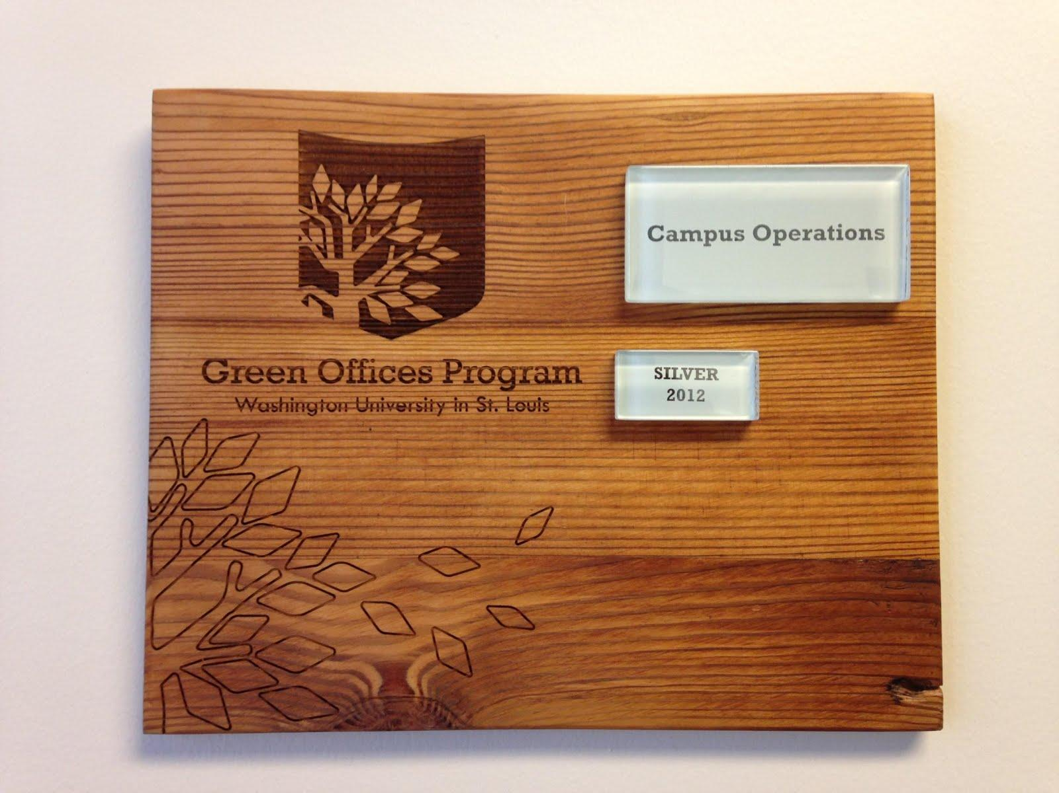
Welcome to the Green Office Program!

The Green Office Program was developed as a partnership between Resource Management and the Office of Sustainability in 2012 as a way to connect WashU's offices and departments to institution-wide policies and best practices. Participants play a critical role in achieving sustainability goals.

GATHERING INFORMATION |  |  |  | COMPLETING THE CHECKLIST
Some questions require gathering information about the individual behaviors of office members. To request a standard survey to help collect this information, email sustainability@wustl.edu. Unless otherwise specified, select "Yes" if 90% of respondents answer "Yes" on the survey. Offices of 25+ members are required to collect responses from at least 75% of office members through the standard survey mentioned above. Please do not complete the checklist until you have collected responses from at least 75% of office members. |  |  |  | To participate in the program, please complete the 'User Registration' section directly below this box. Then, go through each tab at the bottom and select your responses for each category. The subtotal from each category will automatically populate the table on the left hand side of this page and assign the appropriate certification level. Once you've completed these steps, please save and email this document to sustainability@wustl.edu for review and to complete your office certification.

Do not complete this section. |  |  |  | ↓↓ Complete this section. ↓↓
SUBTOTALS BY CATEGORY |  |  |  | USER REGISTRATION
Category | Received | Possible | Percentage | Submission Date
Energy | 0 | 26 | 0%
Waste | 0 | 24 | 0% | Contact Name, Email, and Phone Number
Documents | 0 | 20 | 0%
Purchasing | 0 | 22 | 0% | Office Name (as it should appear on your plaque)
Transportation | 0 | 23 | 0%
Awareness | 0 | 11 | 0% | Office Location (include campus, building and campus box #)
Total | 0 | 126 | 0%
Innovations | 0 |  |  | Number of Office Computers
Grand Total | 0 | 126 | 0% | Number of Office Members
 |  |  |  | OFFICES OF 25+: # of Survey Responses Leave blank if you do not use the survey.
CERTIFICATION BREAKDOWN |  |  |  | OFFICES OF 25+: % of Office Participants | This section will autocalculate.
Certification Level |  | Percentage |  | Defining your office space is an important step in the process. It can be defined by shared equipment (like printers) or shared areas (like a kitchenette) or it may be based on a Departmental grouping. Please briefly explain how you defined yours.
Registered |  | 0-49%
Bronze |  | 50-64%
Silver |  | 65-79%
Gold |  | 80-89%
Platinum |  | 90+% |  | Were you referred to the Green Office Program by another Green Office? If so, please list the office name and individual here.

 |  |  |  | CONGRATULATIONS! You are certified as:

 |  |  |  | Registered

Certified offices receive a custom plaque made from repurposed wood.

Energy
Select the appropriate response for each item from the drop-down menu. Questions with a red flag in the corner of the cell offer tips and further explanation. Questions with a icon can be answered through the survey response report.
ENERGY |  | RESPONSE | POINTS | POSSIBLE | RESOURCES
E1 | We program temperatures to 74°-76° in the summer and to 67°- 70° in the winter. | Select Option | 0 | 3 | Click here to review the WashU temperature set point policy.
E2 | We program HVAC setback schedules to reduce heating/cooling when the office is unoccupied. | Select Option | 0 | 3 | Contact your maintenance operations (935-5544) to program a schedule.
E3 | We adjust window treatments to reduce heat load, depending on the season. | Select Option | 0 | 2 | Click here for tips to use your shades efficiently.
E4 | We have enabled power mode so that all monitors dim after 2 minutes and turn off after 5 minutes; all computers sleep after 15 minutes. | Select Option | 0 | 1 | Click here for Power Save Instructions.
E5 | We turn off copiers and printers each night and have enabled sleep mode. | Select Option | 0 | 2
E6 | Each workstation has a power strip that office members turn off over weekends, vacations and holidays. | Select Option | 0 | 1 | Click here to learn more.
E7 | We do not use space heaters in the office OR we have replaced traditional space heaters with electric foot warmer mats. | Select Option | 0 | 2 | Click here for WUSTL Space Heater Policy.
E8 | Our eligible office equipment and kitchen appliances are Energy Star certified (printer, copy machine, refrigerator, etc.). | Select Option | 0 | 2 | Look for the Energy Star logo.
E9 | Our coffee makers are thermal carafes or single cup rather than a traditional hot plate (i.e. coffee maker is used as needed; hot plate is not used to keep coffee warm throughout the day). | Select Option | 0 | 2
E10 | We do not use individual printers. | Select Option | 0 | 1 | New Resource Coming: How to set up secure release printing on a networked office printer.
E11 | We do not have an electric water cooler that heats/chills water. | Select Option | 0 | 2
E12 | We turn off lights in unoccupied rooms (vacant for 5 minutes or more) OR automatic motion sensor lights have been installed and are working correctly. | Select Option | 0 | 2
E13 | Desk lamps and task lighting have LED bulbs (not incandescent bulbs or CFLs). | Select Option | 0 | 1 | Click here for Light Bulb Guide.
E14 | We decrease lighting usage when natural light is an option. | Select Option | 0 | 1
E15 | We make a habit of taking the stairs over the elevator. | Select Option | 0 | 1

COMMENTS |  | Received | 0 | 0% | Please continue to the next tab.
 |  | Possible | 26
Describe any questions, barriers, or comments you have. If you selected "N/A" above, please explain why.

Waste
Select the appropriate response for each item from the drop-down menu. Questions with a red flag in the corner of the cell offer tips and further explanation. Questions with a icon can be answered through the survey response report.
WASTE |  | RESPONSE | POINTS | POSSIBLE | RESOURCES
W1 | We have eliminated individual office trash bins in favor of community trash bins or small scale hanging trash bins. | Select Option | 0 | 2 | Click here to download the Hanging Landfill Bin Policy and see contact information for requesting hanging trash bins.
W2 | Recycling bins are labeled with signs describing what is recyclable. | Select Option | 0 | 2 | Click here to download current recycling signage.
W3 | All trash bins are paired with a recycling bin. | Select Option | 0 | 1
W4 | We have discussed recycling protocols in the last year at a staff meeting or through a Recycling Genius presentation. | Select Option | 0 | 2 | Click here for campus recycling information. To schedule a Recycling Genius Presentation, contact sustainability@wustl.edu.
W5 | We sell unused furniture on WashU's surplus management online marketplace or donate to organizations who reuse or recycle furniture. | Select Option | 0 | 3 | Click here for link to post furniture or find a charity for donation.
W6 | We store office supplies, such as paper clips, binder clips, and folders, in a common area to reuse and recirculate; we donate items that are no longer needed. | Select Option | 0 | 2
W7 | We collect single-sided scrap paper in a central location for reuse. | Select Option | 0 | 1
W8 | A designated person manages nonstandard materials such as furniture, electronics and toner cartridges, ensuring that they are recycled. | Select Option | 0 | 2 | Click here for guidance on how to manage hazardous and nonstandard materials.
W9 | We safely package and share food leftover from events. | Select Option | 0 | 1
W10 | When in the office, we use reusable plates, utensils, mugs, and water bottles. | Select Option | 0 | 2
W11 | Our office has a supply of reusable plates, utensils and mugs that visitors and office members can use while in the office in lieu of disposables. | Select Option | 0 | 2
W12 | Our coffee maker has a . . . | Select Option | 0 | 2 | New Resource Coming: Evaluating coffee makers from a waste perspective.
W13 | When dining out of the office (e.g. at campus dining locations), we use reusable mugs, water bottles, and/or plates and Eco-to-go boxes. | Select Option | 0 | 2

COMMENTS |  | Received | 0 | 0% | Please continue to the next tab.
 |  | Possible | 24
Describe any questions, barriers, or comments you have. If you selected "N/A" above, please explain why.

Documents
Select the appropriate response for each item from the drop-down menu. Questions with a red flag in the corner of the cell offer tips and further explanation. Questions with a icon can be answered through the survey response report.
DOCUMENTS, MAIL, AND PUBLICATIONS |  | RESPONSE | POINTS | POSSIBLE | RESOURCES
D1 | Printer/copier paper meets criteria for sustainable sourcing: |  |  |  | Click here for information about purchasing printer paper and details on responsible forestry certifications.
 | Our paper has ______ percentage post-consumer recycled content. | Select Option | 0 | 3
 | Our paper has an FSC, SFI, PEFC, or equivalent sustainable certification indicating responsible forestry. | Select Option | 0 | 1
D2 | Out-of-office printing meets criteria for sustainable sourcing:
 | We specifically request paper with ______ percentage post-consumer recycled content. | Select Option | 0 | 2
 | We specifically request paper with an FSC, SFI, PEFC, or equivalent sustainable certification. | Select Option | 0 | 1
 | We specifically request vegetable or water-based inks. | Select Option | 0 | 1
D3 | We accurately estimate large-quantity print jobs to avoid surplus; we use small batch printing to prevent materials from becoming out of date. | Select Option | 0 | 2
D4 | Our outreach materials and brochures are electronic. | Select Option | 0 | 2
D5 | We use inter-office envelopes instead of regular envelopes whenever possible. | Select Option | 0 | 1
D6 | We have contacted catalog distributors to discontinue unwanted subscriptions. | Select Option | 0 | 2 | Click here for a free service to cancel catalog subscriptions.
D7 | We set paper margin settings default to 0.75" or less on all sides in order to decrease the length of documents printed. | Select Option | 0 | 1
D8 | Our computers are set to print double-sided by default. | Select Option | 0 | 2 | Click here to download a How-to Guide for Double Sided Printing.
D9 | Our filing, billing, invoicing, and internal documents are primarily electronic. | Select Option | 0 | 2

COMMENTS |  | Received | 0 | 0% | Please continue to next tab.
 |  | Possible | 20
Describe any questions, barriers, or comments you have. If you selected "N/A" above, please explain why.

Purchasing
Select the appropriate response for each item from the drop-down menu. Questions with a red flag in the corner of the cell offer tips and further explanation. Questions with a icon can be answered through the survey response report.
PURCHASING |  | RESPONSE | POINTS | POSSIBLE | RESOURCES
P1 | When making purchasing decisions, we consider the environmental impact of our purchases when evaluating options. Staff members in charge of purchasing are aware of and abide by the WU Environmentally Preferable Purchasing (EPP) Guidelines. | Select Option | 0 | 2 | Click here for EPP Guidelines.
P2 | We consolidate purchasing orders and grocery trips to once every two weeks (or less often) to save fuel and minimize packaging. | Select Option | 0 | 1
P3 | We purchase environmentally preferable office supplies, such as cleaning products, disposable serviceware, pens, folders, etc. | Select Option | 0 | 2 | Click here to learn about making environmentally friendly purchases through Office Essentials.
P4 | We purchase high-yield and/or remanufactured printer toner cartridges. | Select Option | 0 | 1
P5 | We purchase Fair Trade coffee. | Select Option | 0 | 2 | Click here for Fair Trade Certification.
P6 | We have not purchased Styrofoam products (e.g. cups, bowls, plates, packing peanuts, coolers) within the last 12 months. | Select Option | 0 | 2 | Click here for Impacts of Styrofoam Summary.
P7 | Any appliances or equipment purchased this year have been Energy Star-certified. | Select Option | 0 | 2
P8 | We purchase EPEAT-certified computers and electronics whenever available. | Select Option | 0 | 2 | Verify an item is EPEAT certified through a quick search before finalizing your purchase. Note that most items purchased through WashU's preferred suppliers meet the EPEAT certification criteria (including most DELL and Apple products).
P9 | Before purchasing furniture, we checked the Resource Management website to see if surplus furniture was available; we repurposed and/or purchased used furniture, rather than purchasing new furniture. | Select Option | 0 | 2 | Click here for Surplus Property listing.
P10 | We have purchased furniture with recycled content. | Select Option | 0 | 2
P11 | We do not purchase or provide bottled water for meetings, catered meals, or events. | Select Option | 0 | 2
P12 | For meetings and events with catered food, we use vendors that offer reusable, recyclable, or compostable products. | Select Option | 0 | 2 | Click here for sustainable caterers/restaurants.

COMMENTS |  | Received | 0 | 0% | Please continue to the next tab.
 |  | Possible | 22
Describe any questions, barriers, or comments you have. If you selected "N/A" above, please explain why.

Transportation
Select the appropriate response for each item from the drop-down menu. Questions with a red flag in the corner of the cell offer tips and further explanation. Questions with a icon can be answered through the survey response report.
TRANSPORTATION |  | RESPONSE | POINTS | POSSIBLE | RESOURCES
T1 | Our office members make an effort to reduce single-occupant commutes to work. Enter the number of office members who use each transportation mode 60% or more of the time. Do not double count people who use multiple modes. |  |  |  | Click here for WashU transportation resources. | NOTE: Work with Megan to see if there is a good way to do a weighted calculation for this whole section that would follow this hierarchy: walk/bike; metro; carpool; high efficiency vehicle; SOV
 | Number of people who walk or bike: |  | 0 | 4
 | Number of people who use public transit:
 | Number of people who carpool and/or utilize the Bearly Drivers program:
 | Number of people who use multi-modal transit (combination of walk, bike, metro bus, metro train, and/or carpooling):
 | Number of people who drive hybrid, electric or fuel-efficient vehicles with 40 mpg (combined) or higher for commuting to work:
T2 | Number of office members who have an annual parking permit that allows for daily parking: |  | 0 | 4
T3 | Number of office members have a U-Pass and use it at least once a month: |  | 0 | 2 | Click here for information about applying for and using your U-Pass.
T4 | We have a designated office bicycle parked near the office for campus transportation. | Select Option | 0 | 2 | Click here for instructions to start a bike share program.
T5 | We purchase appropriately sized fleet vehicles with the highest fuel efficiency possible within the vehicle class. | Select Option | 0 | 2 |  | Worth 2 or 3?
T6 | We encourage out-of-town visitors to use MetroLink to travel to and from the airport, and we provide them with the appropriate resources to do so. | Select Option | 0 | 1 | Click here to learn about using MetroLink.
T7 | In the last 12 months, we have had an all-employee discussion on alternative transportation options or have arranged a presentation from WashU's Alternative Transportation Coordinator. | Select Option | 0 | 2 | Click here for campus transportation information.
T8 | Adequate bike rack space near our office has been analyzed, and we have contacted the Facilities Department about installing more racks if necessary. | Select Option | 0 | 1
T9 | Our office has an account with Enterprise CarShare that enables our employees to utilize a CarShare vehicle for university business. | Select Option | 0 | 1 | Click here for information about the Enterprise CarShare program.
T10 | We walk, bike, take public transit, or use an Enterprise CarShare to meetings between or off WUSTL campuses at least 75% of the time. | Select Option | 0 | 3
T11 | 50% or more of our office community formed an Active Transportation Month Team during Active Transportation Month (April and October). | Select Option | 0 | 1

COMMENTS |  | Received | 0 | 0% | Please continue to the next tab.
 |  | Possible | 23 |  |  | Original max: 23
Describe any questions, barriers, or comments you have. If you selected "N/A" above, please explain why.

Awareness
Select the appropriate response for each item from the drop-down menu. Questions with a red flag in the corner of the cell offer tips and further explanation. Questions with a icon can be answered through the survey response report.
AWARENESS |  | RESPONSE | POINTS | POSSIBLE | RESOURCES
A1 | Our department website has our Green Office seal and/or a link to the WashU Sustainability website. | Select Option | 0 | 1 | Click here for WashU's Sustainability website and examples for incorporating it into your departmental website.
A2 | Our office has invited another office to participate in the Green Office Program. | Select Option | 0 | 1
A3 | Most office members have taken the Sustainability Pledge (>90%). | Select Option | 0 | 1 | Click here to take the Sustainability Pledge.
A4 | Most office members have signed up for the Office of Sustainability Newsletter (>90%). | Select Option | 0 | 1 | Click here to sign up for the Sustainability Newsletter.
A5 | 50% of office members have taken the Green Monday pledge. | Select Option | 0 | 1 | Click here to take the Green Monday pledge.
A6 | 75% of office members have attended a sustainability event in the past year, on or off campus. | Select Option | 0 | 1 | Click here for a listing of sustainability events on WashU's campus.
A7 | Our office has a posting board or pamphlet area to inform staff of sustainability ideas, reminders, announcements and resources. | Select Option | 0 | 1
A8 | Our office reports building problems to our Facilities Zone Manager immediately, as those little problems can add up to big inefficiencies. | Select Option | 0 | 1 | Contact your maintenance operations (935-5544) to address maintenance concerns.
A9 | Our office sends courtesy reminders to staff to turn off all lights and equipment, set thermostats low, and close window treatments for vacations, holidays and breaks. | Select Option | 0 | 1 | The Office of Sustainability sends out reminders to Green Office Liaisons before major breaks, which you can forward to office members.
A10 | Our office has set goals for improving sustainable operations next year. | Select Option | 0 | 1 | An optional tab is provided to record your goals. Use the goal-setting tab or state goals in the comments section below.
A11 | Our office has established a green team that meets at least 4 times a year and advances/coordinates sustainability efforts in the office. | Select Option | 0 | 1
A12 | Does your office have 25 or more members? For an office of 25+, you will receive additional points for high participation in the Green Office survey. To earn this point, you must enter both the number of office members and number of survey responses on the "Summary" tab. | Select Option | N/A | N/A
Would you like to increase sustainability awareness among your officemates while earning points? Invite a representative from the Office of Sustainability to present at a staff meeting. We will cover a range of topics and introduce Green Office best practices. You will earn points for both W-4 and T-7.

COMMENTS |  | Received | 0 | 0% | Please continue to the next tab.
 |  | Possible | 11
Describe any questions, barriers, or comments you have. If you selected "N/A" above, please explain why.

